Sheet1
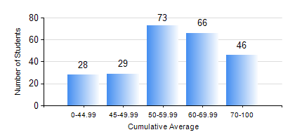
 |  |  | KWAME NKRUMAH UNIVERSITY OF SCIENCE AND TECHNOLOGY, KUMASI Department of Mechanical Engineering

 |  |  | BSC. MECHANICAL ENG.

 |  |  | COMPREHENSIVE RECORD OF EXAMINATION RESULTS

 |  |  | RESULTS OF YEAR 2 FIRST SEMESTER, 2024/2025 ACADEMIC YEAR

 | Sn | Course Code |  | Course Name | Credit Hours | Min. Mark | Max. Mark | Avg. Mark | Std. Dev. | No. Passed | No. Trailed | No. (Df) | No. (I) | No. (I*) | No. Tagged(I,I*,Df) | Total
 | 0. |  |  |  |  |  |  | 0 | 0 | 0 | 0 | 0 | 0 | 0 | 0 | 6
 | 1. | CENG 291 |  | ENGINEERING IN SOCIETY | 2 | 45 | 76 | 62 | 6.17 | 235 | 0 | 1 | 0 | 0 | 1 | 236
 | 2. | MATH 251 |  | DIFFERENTIAL EQUATIONS | 4 | 20 | 94 | 51 | 20.18 | 175 | 57 | 1 | 3 | 0 | 4 | 236
 | 3. | ME 251 |  | INTRODUCTION TO FLUID MECHANICS | 2 | 6 | 97 | 50 | 17.54 | 208 | 27 | 0 | 1 | 0 | 1 | 236
 | 4. | ME 255 |  | STRENGTH OF MATERIALS I | 3 | 17 | 85 | 52 | 14.36 | 210 | 25 | 0 | 1 | 0 | 1 | 236
 | 5. | ME 259 |  | APPLICATIONS OF COMPUTER GRAPHICS | 3 | 7 | 97 | 66 | 19.56 | 217 | 18 | 0 | 1 | 0 | 1 | 236
 | 6. | ME 261 |  | ENGINEERING MECHANICS II: DYNAMICS | 2 | 3 | 82 | 46 | 14.23 | 194 | 41 | 0 | 1 | 0 | 1 | 236
 | 7. | ME 281 |  | ENGINEERING MATERIALS I | 2 | 23 | 98 | 70 | 18.59 | 224 | 11 | 0 | 1 | 0 | 1 | 236
 | 8. | ME 295 |  | MECHANICAL ENGINEERING LAB. I | 1 | 33 | 82 | 65 | 7.79 | 235 | 1 | 0 | 0 | 0 | 0 | 236

